data Chart
Trace Element Patterns of Zircons
 | STDGJ-01 | STDGJ-02 | STDGJ-03 | STDGJ-04 | MT-01 | STDGJ-05 | MIR1-01 | MIR1-06 | MIR1-11 | MIR1-12 | MIR1-14 | MIR1-17
P | 44.55 | 43.39 | 42.36 | 41.8 | 42 | 43.64 | 245.34 | 891.65 | 13459.82 | 491.82 | 472.73 | 308.57
Ca | 0 | 0 | 0 | 0 | 0 | 0 | 27.82 | 166.13 | 12992.84 | 102.92 | 0 | 0
Ti | 4152.66 | 3931.22 | 3668.86 | 3822.66 | 2194.14 | 3496.21 | 4877.89 | 4846.55 | 5781.54 | 4812.22 | 4744.72 | 4770.18
Y | 273.1 | 273.17 | 268.39 | 270.5 | 255.5 | 282.13 | 727.47 | 2075.45 | 20403.98 | 1582.09 | 2638.44 | 2087.41
Zr | 344559.72 | 339988.19 | 335844.84 | 340691.56 | 213398.89 | 344645.56 | 488604.03 | 488604 | 488604 | 488604 | 488603.97 | 488604
Nb | 2.218 | 2.163 | 2.151 | 2.158 | 7.14 | 2.148 | 4.13 | 2.271 | 13.25 | 4.88 | 9.21 | 1.553
La | 0.0034 | 0 | 0.0037 | 0 | 0 | 0.004 | 0.845 | 0.0497 | 797.5 | 1.888 | 0.277 | 0.1357
Ce | 20.48 | 20.22 | 19.99 | 20.46 | 2.408 | 20.57 | 15.16 | 9.05 | 2226.07 | 48.74 | 116.04 | 21.54
Pr | 0.0482 | 0.0443 | 0.0425 | 0.0431 | 0.0346 | 0.0462 | 0.914 | 0.525 | 295.72 | 1.32 | 0.435 | 0.416
Nd | 0.893 | 0.879 | 0.904 | 0.918 | 0.629 | 0.894 | 6.3 | 9.18 | 1467.67 | 12.24 | 6.28 | 5.59
Sm | 1.863 | 1.88 | 1.899 | 1.822 | 1.478 | 1.925 | 8.86 | 18.16 | 828.32 | 13.41 | 11.78 | 8.34
Eu | 1.151 | 1.147 | 1.127 | 1.162 | 1.137 | 1.185 | 2.81 | 0.428 | 563.72 | 4.16 | 1.619 | 2.566
Gd | 8.11 | 8.16 | 8.13 | 8.01 | 9.52 | 8.48 | 38.2 | 76.44 | 1540.8 | 49.67 | 65.31 | 41.52
Tb | 2.191 | 2.161 | 2.139 | 2.143 | 3.035 | 2.215 | 9.9 | 21.19 | 385.22 | 14.26 | 20.64 | 13.55
Dy | 23.07 | 23.22 | 22.83 | 23.03 | 34 | 23.49 | 86.52 | 225.68 | 3237.67 | 160.54 | 248.32 | 173.2
Ho | 7.73 | 7.75 | 7.59 | 7.67 | 10.32 | 7.85 | 23.17 | 72.34 | 716.93 | 53.63 | 89.12 | 68.7
Er | 32.78 | 33.24 | 32.67 | 33.06 | 36.27 | 33.57 | 81.26 | 288.23 | 2345.9 | 222.39 | 386.84 | 327.95
Tm | 7.26 | 7.38 | 7.28 | 7.28 | 6.23 | 7.39 | 14.84 | 57.78 | 441.66 | 45.78 | 80.09 | 73.83
Yb | 71.01 | 71.38 | 70.62 | 71.74 | 46.03 | 72.8 | 123.71 | 510.06 | 3705.74 | 407.64 | 702.42 | 714.48
Lu | 13.13 | 13.33 | 13.25 | 13.39 | 6.7 | 13.43 | 20.98 | 81.79 | 444.31 | 68.17 | 119.11 | 133.94
Hf | 7680.62 | 7705.81 | 7722.43 | 7696.25 | 7704.84 | 7685.78 | 17367.13 | 20556.54 | 18666.19 | 17165.3 | 19329.08 | 17046.35
Ta | 0.585 | 0.57 | 0.573 | 0.576 | 6.4 | 0.563 | 1.176 | 0.79 | 3.61 | 1.498 | 2.43 | 0.537
Th | 18.57 | 19.25 | 19.17 | 19.19 | 70.38 | 19.31 | 170.08 | 218.74 | 1514.88 | 171.22 | 474.32 | 100.25
U | 284.43 | 290.47 | 289.67 | 293.01 | 81.5 | 290.59 | 994.2 | 240.73 | 1876.66 | 98.74 | 152.72 | 105.08

Unknown Chart
Trace Element Patterns of Zircons
 | MIR1-01 | MIR1-06 | MIR1-11 | MIR1-12 | MIR1-14 | MIR1-17 | MIR1-19 | MIR1-20 | MIR1-26 | MIR1-29 | MIR1-35 | MIR1-36
P | 245.34 | 891.65 | 13459.82 | 491.82 | 472.73 | 308.57 | 2918.93 | 722.75 | 358.7 | 419.38 | 485.34 | 193.16
Ca | 27.82 | 166.13 | 12992.84 | 102.92 | 0 | 0 | 2273.24 | 406.09 | 26.19 | 31.45 | 0 | 0
Ti | 4877.89 | 4846.55 | 5781.54 | 4812.22 | 4744.72 | 4770.18 | 5438.87 | 4754.63 | 4760.02 | 4713.08 | 4761.51 | 4735.35
Y | 727.47 | 2075.45 | 20403.98 | 1582.09 | 2638.44 | 2087.41 | 3486.13 | 2578.05 | 1224.86 | 1582.9 | 2118.13 | 594.71
Zr | 488604.03 | 488604 | 488604 | 488604 | 488603.97 | 488604 | 488604 | 488604 | 488604 | 488603.97 | 488603.97 | 488604
Nb | 4.13 | 2.271 | 13.25 | 4.88 | 9.21 | 1.553 | 22.37 | 7.7 | 2.531 | 5.47 | 2.98 | 5.61
La | 0.845 | 0.0497 | 797.5 | 1.888 | 0.277 | 0.1357 | 70.6 | 3.19 | 0.1365 | 0.697 | 0.0369 | 0.0645
Ce | 15.16 | 9.05 | 2226.07 | 48.74 | 116.04 | 21.54 | 1035.44 | 135.88 | 5.6 | 48.85 | 39.28 | 9.66
Pr | 0.914 | 0.525 | 295.72 | 1.32 | 0.435 | 0.416 | 105.16 | 5.38 | 0.24 | 0.447 | 0.465 | 0.1095
Nd | 6.3 | 9.18 | 1467.67 | 12.24 | 6.28 | 5.59 | 616.6 | 38.62 | 3.56 | 5.31 | 9.05 | 1.25
Sm | 8.86 | 18.16 | 828.32 | 13.41 | 11.78 | 8.34 | 318.32 | 33.87 | 6.07 | 7.98 | 16.76 | 1.871
Eu | 2.81 | 0.428 | 563.72 | 4.16 | 1.619 | 2.566 | 63.88 | 11.58 | 0.974 | 1.284 | 2.99 | 0.243
Gd | 38.2 | 76.44 | 1540.8 | 49.67 | 65.31 | 41.52 | 304.23 | 90.93 | 31.2 | 36.75 | 68.97 | 9.38
Tb | 9.9 | 21.19 | 385.22 | 14.26 | 20.64 | 13.55 | 62.74 | 27.66 | 9.69 | 11.4 | 21.04 | 3.65
Dy | 86.52 | 225.68 | 3237.67 | 160.54 | 248.32 | 173.2 | 524.07 | 290.37 | 117.75 | 138.15 | 218.4 | 48.33
Ho | 23.17 | 72.34 | 716.93 | 53.63 | 89.12 | 68.7 | 134.49 | 84.86 | 42.73 | 51.36 | 74.63 | 20.09
Er | 81.26 | 288.23 | 2345.9 | 222.39 | 386.84 | 327.95 | 601.02 | 333.29 | 186.69 | 239.51 | 299.88 | 98.33
Tm | 14.84 | 57.78 | 441.66 | 45.78 | 80.09 | 73.83 | 171.16 | 69.53 | 39.47 | 54.6 | 62 | 24.23
Yb | 123.71 | 510.06 | 3705.74 | 407.64 | 702.42 | 714.48 | 1828.14 | 615.39 | 365.51 | 539.64 | 572.4 | 268.83
Lu | 20.98 | 81.79 | 444.31 | 68.17 | 119.11 | 133.94 | 230.81 | 94.85 | 65.65 | 101.28 | 94.63 | 51.48
Hf | 17367.13 | 20556.54 | 18666.19 | 17165.3 | 19329.08 | 17046.35 | 21104.22 | 17909.61 | 15467.83 | 16713.23 | 16906.49 | 18499.5
Ta | 1.176 | 0.79 | 3.61 | 1.498 | 2.43 | 0.537 | 3.55 | 2.75 | 0.881 | 2.142 | 0.946 | 2.87
Th | 170.08 | 218.74 | 1514.88 | 171.22 | 474.32 | 100.25 | 946.9 | 270.91 | 60.56 | 262.3 | 201.22 | 84.18
U | 994.2 | 240.73 | 1876.66 | 98.74 | 152.72 | 105.08 | 397.87 | 668.14 | 100.66 | 346.19 | 123.29 | 939.81

CART1 Chart
Modelled Rock Types of Zircons
Granitoid (70-75% SiO2) | 41
Granitoid(>75% SiO2) | 4
Granitoid (>65% SiO2) | 20
Carbonite | 3
Syenite/Monzonite | 4

CART2 Chart
Modelled Rock Types of Zircons
Larvikite (72%) | 63
Dolerite (71%) | 5
Carbonite (79%) | 3
Ne-syenite & Syenite Pegmatites (93%) | 1

Y-U data Plot
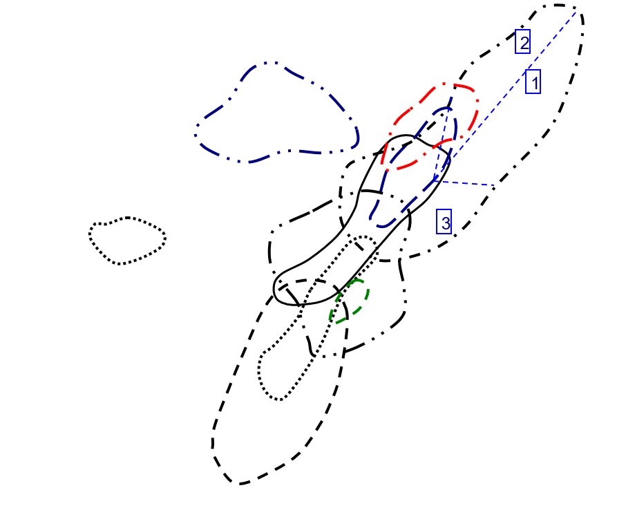
Y vs U in Zircon
 | Carbonite |  | Granitoid (70-75% SiO2) |  | Granitoid (>65% SiO2) |  | Granitoid(>75% SiO2) |  | Syenite/Monzonite
564.26 | 713.73 | 240.73 | 2075.45 | 994.2 | 727.47 | 1876.66 | 20403.98 | 297.39 | 4600.38
255.02 | 229.72 | 152.72 | 2638.44 | 98.74 | 1582.09 | 1256.3 | 4545.83 | 334.79 | 4546.51
1189.07 | 892.81 | 105.08 | 2087.41 | 100.66 | 1224.86 | 1170.22 | 5596.03 | 474.13 | 4697.07
 |  | 397.87 | 3486.13 | 939.81 | 594.71 | 1270.65 | 7372.5 | 503.53 | 5724.08
 |  | 668.14 | 2578.05 | 532.78 | 1077.37
 |  | 346.19 | 1582.9 | 162.01 | 868.03
 |  | 123.29 | 2118.13 | 503.98 | 717.22
 |  | 181.57 | 3841.02 | 91.3 | 1669.06
 |  | 326.56 | 1667.49 | 368.4 | 788.4
 |  | 386.1 | 2539.75 | 240.99 | 1386.85
 |  | 238.45 | 1560.77 | 921.16 | 847.86
 |  | 139.9 | 2185.1 | 68.09 | 865.37
 |  | 812.74 | 3056.08 | 221.63 | 591.91
 |  | 194.74 | 2856.4 | 583.08 | 1501.58
 |  | 343.17 | 2068.5 | 434.57 | 2317.91
 |  | 146.44 | 2000.35 | 276.18 | 1490.48
 |  | 410.96 | 2472.33 | 341.95 | 1394.09
 |  | 339.73 | 2718.92 | 99.21 | 1460.3
 |  | 851.58 | 2369.58 | 331.02 | 900.98
 |  | 143.71 | 1681.19 | 82.22 | 1088.44
 |  | 251.76 | 1584.14
 |  | 1311.15 | 3297.31
 |  | 140.8 | 2214.34
 |  | 604.31 | 2573.83
 |  | 972.25 | 3715.1
 |  | 348.95 | 2081.71
 |  | 205.65 | 3093.97
 |  | 352.41 | 2664.79
 |  | 209.99 | 2746.28
 |  | 280.69 | 1995.81
 |  | 733.01 | 1874.39
 |  | 220.52 | 1605.48
 |  | 244.65 | 961.26
 |  | 604.38 | 1803.12
 |  | 270.14 | 2922.26
 |  | 172.19 | 3582.44
 |  | 76.71 | 1718.8
 |  | 293.35 | 2221.39
 |  | 33.41 | 1333.86
 |  | 608.27 | 3228.13
 |  | 174.95 | 2554.96

Y-Th data Plot
Y vs Th in Zircon
 | Carbonite |  | Granitoid (70-75% SiO2) |  | Granitoid (>65% SiO2) |  | Granitoid(>75% SiO2) |  | Syenite/Monzonite
1105.96 | 713.73 | 218.74 | 2075.45 | 170.08 | 727.47 | 1514.88 | 20403.98 | 166.27 | 4600.38
95.41 | 229.72 | 474.32 | 2638.44 | 171.22 | 1582.09 | 1214.2 | 4545.83 | 506.24 | 4546.51
123.1 | 892.81 | 100.25 | 2087.41 | 60.56 | 1224.86 | 653.16 | 5596.03 | 620.34 | 4697.07
 |  | 946.9 | 3486.13 | 84.18 | 594.71 | 1054.09 | 7372.5 | 410.37 | 5724.08
 |  | 270.91 | 2578.05 | 250.8 | 1077.37
 |  | 262.3 | 1582.9 | 126.82 | 868.03
 |  | 201.22 | 2118.13 | 553.05 | 717.22
 |  | 227.24 | 3841.02 | 59.65 | 1669.06
 |  | 263.63 | 1667.49 | 220.82 | 788.4
 |  | 286.45 | 2539.75 | 191.03 | 1386.85
 |  | 250.69 | 1560.77 | 331.68 | 847.86
 |  | 96.44 | 2185.1 | 53.28 | 865.37
 |  | 634.27 | 3056.08 | 122.1 | 591.91
 |  | 122.49 | 2856.4 | 296.41 | 1501.58
 |  | 411.34 | 2068.5 | 285.91 | 2317.91
 |  | 86.96 | 2000.35 | 314.21 | 1490.48
 |  | 488.14 | 2472.33 | 156.68 | 1394.09
 |  | 334.57 | 2718.92 | 95.8 | 1460.3
 |  | 779.54 | 2369.58 | 274.35 | 900.98
 |  | 106.03 | 1681.19 | 90.91 | 1088.44
 |  | 134.94 | 1584.14
 |  | 613.15 | 3297.31
 |  | 140.24 | 2214.34
 |  | 400.76 | 2573.83
 |  | 933.26 | 3715.1
 |  | 317.98 | 2081.71
 |  | 242.1 | 3093.97
 |  | 236.81 | 2664.79
 |  | 193.04 | 2746.28
 |  | 275.13 | 1995.81
 |  | 199.1 | 1874.39
 |  | 94.04 | 1605.48
 |  | 138.4 | 961.26
 |  | 339.28 | 1803.12
 |  | 172.4 | 2922.26
 |  | 91.52 | 3582.44
 |  | 90.33 | 1718.8
 |  | 237.17 | 2221.39
 |  | 49.6 | 1333.86
 |  | 430.8 | 3228.13
 |  | 178.24 | 2554.96

Y-YbSm data Plot
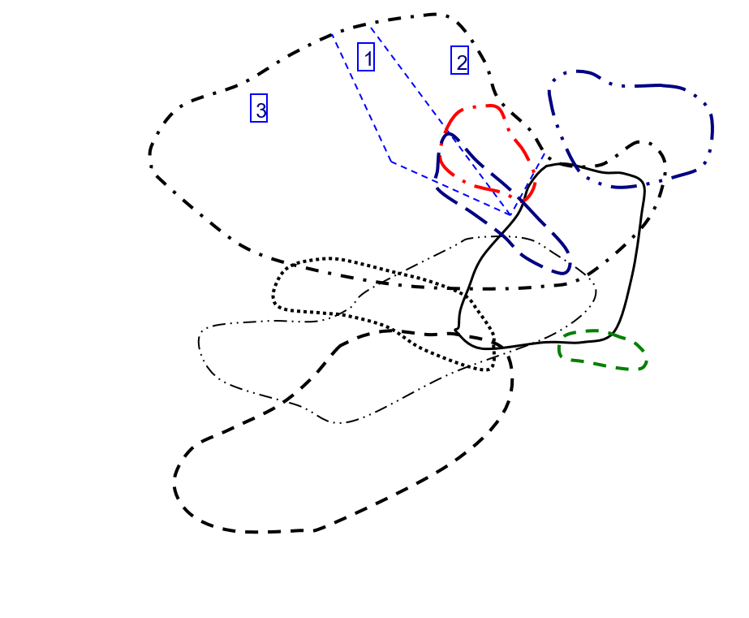
Y vs Yb/Sm in Zircon
 | Carbonite |  | Granitoid (70-75% SiO2) |  | Granitoid (>65% SiO2) |  | Granitoid(>75% SiO2) |  | Syenite/Monzonite
4.8219235615 | 713.73 | 28.087004405 | 2075.45 | 13.96275395 | 727.47 | 4.4738023952 | 20403.98 | 51.675042589 | 4600.38
132.16066482 | 229.72 | 59.628183362 | 2638.44 | 30.398210291 | 1582.09 | 163.04387417 | 4545.83 | 25.005048187 | 4546.51
41.498442368 | 892.81 | 85.669064748 | 2087.41 | 60.215815486 | 1224.86 | 53.5320117 | 5596.03 | 51.62290024 | 4697.07
 |  | 5.7430887158 | 3486.13 | 143.68252272 | 594.71 | 75.058669656 | 7372.5 | 74.389071487 | 5724.08
 |  | 18.169176262 | 2578.05 | 32.86801676 | 1077.37
 |  | 67.62406015 | 1582.9 | 60.843096234 | 868.03
 |  | 34.15274463 | 2118.13 | 23.177589852 | 717.22
 |  | 54.974928072 | 3841.02 | 43.65873742 | 1669.06
 |  | 184.52392344 | 1667.49 | 121.29069767 | 788.4
 |  | 74.455830389 | 2539.75 | 70.293777135 | 1386.85
 |  | 70.401204819 | 1560.77 | 24.43438914 | 847.86
 |  | 45.994289793 | 2185.1 | 68 | 865.37
 |  | 138.25814863 | 3056.08 | 103.59895833 | 591.91
 |  | 88.285462555 | 2856.4 | 61.761780105 | 1501.58
 |  | 34.108404967 | 2068.5 | 13.611032028 | 2317.91
 |  | 97.484398217 | 2000.35 | 30.218829517 | 1490.48
 |  | 66.274611399 | 2472.33 | 89.296153846 | 1394.09
 |  | 44.852037968 | 2718.92 | 38.759599332 | 1460.3
 |  | 181.36119874 | 2369.58 | 104.01515152 | 900.98
 |  | 41.261712439 | 1681.19 | 51.14921466 | 1088.44
 |  | 144.49056604 | 1584.14
 |  | 66.795287187 | 3297.31
 |  | 51.461663948 | 2214.34
 |  | 30.161664666 | 2573.83
 |  | 50.777866242 | 3715.1
 |  | 69.457746479 | 2081.71
 |  | 59.558179724 | 3093.97
 |  | 60.768374165 | 2664.79
 |  | 62.22832981 | 2746.28
 |  | 25.967386701 | 1995.81
 |  | 111.1392 | 1874.39
 |  | 165.19347826 | 1605.48
 |  | 295.0969163 | 961.26
 |  | 100.57580398 | 1803.12
 |  | 47.004410838 | 2922.26
 |  | 45.851279575 | 3582.44
 |  | 45.586206897 | 1718.8
 |  | 76.997265269 | 2221.39
 |  | 148.84927536 | 1333.86
 |  | 65.95481336 | 3228.13
 |  | 45.772577093 | 2554.96

Y-NbTa data Plot
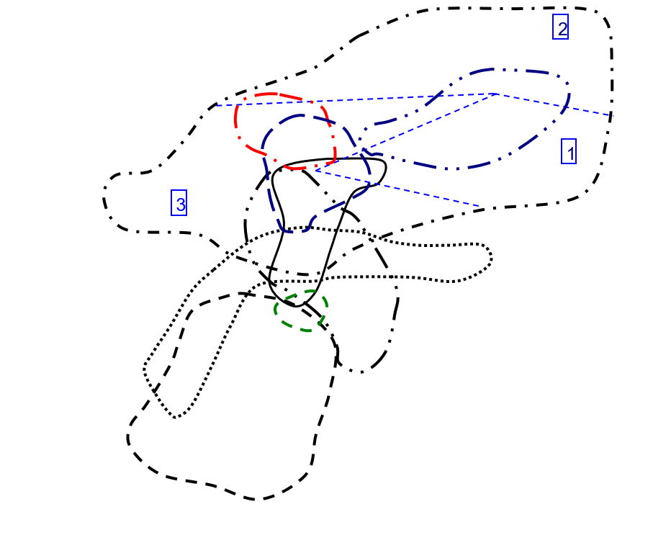
Y vs Nb/Ta in Zircon
 | Carbonite |  | Granitoid (70-75% SiO2) |  | Granitoid (>65% SiO2) |  | Granitoid(>75% SiO2) |  | Syenite/Monzonite
1.3973872735 | 713.73 | 2.8746835443 | 2075.45 | 3.5119047619 | 727.47 | 3.6703601108 | 20403.98 | 4.2914979757 | 4600.38
2.2170418006 | 229.72 | 3.7901234568 | 2638.44 | 3.2576769025 | 1582.09 | 6.2672064777 | 4545.83 | 8.8281786942 | 4546.51
1.7946768061 | 892.81 | 2.8919925512 | 2087.41 | 2.8728717367 | 1224.86 | 4.3014492754 | 5596.03 | 2.8295964126 | 4697.07
 |  | 6.3014084507 | 3486.13 | 1.9547038328 | 594.71 | 5.558778626 | 7372.5 | 4.2615803815 | 5724.08
 |  | 2.8 | 2578.05 | 2.7065527066 | 1077.37
 |  | 2.5536881419 | 1582.9 | 3.0051546392 | 868.03
 |  | 3.1501057082 | 2118.13 | 3.302919708 | 717.22
 |  | 2.9235294118 | 3841.02 | 3.1121323529 | 1669.06
 |  | 3.4270952928 | 1667.49 | 2.8978288633 | 788.4
 |  | 4.0168324407 | 2539.75 | 2.6839464883 | 1386.85
 |  | 3.1612403101 | 1560.77 | 2.7445394112 | 847.86
 |  | 3.0192802057 | 2185.1 | 3.5109114249 | 865.37
 |  | 2.2127396413 | 3056.08 | 1.8925831202 | 591.91
 |  | 2.9571663921 | 2856.4 | 2.2985283812 | 1501.58
 |  | 3.1406844106 | 2068.5 | 3.1191588785 | 2317.91
 |  | 3.172143975 | 2000.35 | 3.1117824773 | 1490.48
 |  | 3.1111111111 | 2472.33 | 2.8617886179 | 1394.09
 |  | 3.7785388128 | 2718.92 | 2.8296943231 | 1460.3
 |  | 4.85995086 | 2369.58 | 2.5560165975 | 900.98
 |  | 2.7237442922 | 1681.19 | 2.7639484979 | 1088.44
 |  | 2.7306273063 | 1584.14
 |  | 2.3417721519 | 3297.31
 |  | 2.9372937294 | 2214.34
 |  | 2.9565217391 | 2573.83
 |  | 5.5426356589 | 3715.1
 |  | 2.477665277 | 2081.71
 |  | 3.1827242525 | 3093.97
 |  | 3.4297108674 | 2664.79
 |  | 2.6739526412 | 2746.28
 |  | 3.7185069984 | 1995.81
 |  | 3.0029806259 | 1874.39
 |  | 2.6898047722 | 1605.48
 |  | 3.2065217391 | 961.26
 |  | 3.0025873221 | 1803.12
 |  | 4.1273584906 | 2922.26
 |  | 4.143454039 | 3582.44
 |  | 3.8626865672 | 1718.8
 |  | 6.0593220339 | 2221.39
 |  | 2.5307557118 | 1333.86
 |  | 3.3221925134 | 3228.13
 |  | 3.499194847 | 2554.96

Y-ThU data Plot
Y vs Th/U in Zircon
 | Carbonite |  | Granitoid (70-75% SiO2) |  | Granitoid (>65% SiO2) |  | Granitoid(>75% SiO2) |  | Syenite/Monzonite
1.9600184312 | 713.73 | 0.90865284759 | 2075.45 | 0.17107221887 | 727.47 | 0.80722134004 | 20403.98 | 0.55909748142 | 4600.38
0.37412751941 | 229.72 | 3.1058145626 | 2638.44 | 1.7340490176 | 1582.09 | 0.96648889596 | 4545.83 | 1.5121120703 | 4546.51
0.10352628525 | 892.81 | 0.95403502094 | 2087.41 | 0.60162924697 | 1224.86 | 0.5581514587 | 5596.03 | 1.3083753401 | 4697.07
 |  | 2.3799230905 | 3486.13 | 0.089571296326 | 594.71 | 0.82956754417 | 7372.5 | 0.81498619745 | 5724.08
 |  | 0.4054689137 | 2578.05 | 0.47073839108 | 1077.37
 |  | 0.75767642046 | 1582.9 | 0.78279118573 | 868.03
 |  | 1.6320869495 | 2118.13 | 1.0973649748 | 717.22
 |  | 1.2515283362 | 3841.02 | 0.65334063527 | 1669.06
 |  | 0.80729421852 | 1667.49 | 0.59940282302 | 788.4
 |  | 0.74190624191 | 2539.75 | 0.7926884933 | 1386.85
 |  | 1.051331516 | 1560.77 | 0.36006774067 | 847.86
 |  | 0.68934953538 | 2185.1 | 0.78249375826 | 865.37
 |  | 0.78040947905 | 3056.08 | 0.55091819699 | 591.91
 |  | 0.62899250282 | 2856.4 | 0.50835219867 | 1501.58
 |  | 1.1986479005 | 2068.5 | 0.6579147203 | 2317.91
 |  | 0.59382682327 | 2000.35 | 1.1377000507 | 1490.48
 |  | 1.1878041659 | 2472.33 | 0.45819564264 | 1394.09
 |  | 0.98481146793 | 2718.92 | 0.96562846487 | 1460.3
 |  | 0.91540430729 | 2369.58 | 0.82880188508 | 900.98
 |  | 0.73780530235 | 1681.19 | 1.1056920457 | 1088.44
 |  | 0.53598665396 | 1584.14
 |  | 0.4676429089 | 3297.31
 |  | 0.99602272727 | 2214.34
 |  | 0.66316956529 | 2573.83
 |  | 0.9598971458 | 3715.1
 |  | 0.9112480298 | 2081.71
 |  | 1.1772428884 | 3093.97
 |  | 0.67197298601 | 2664.79
 |  | 0.91928187057 | 2746.28
 |  | 0.98019167053 | 1995.81
 |  | 0.27161975962 | 1874.39
 |  | 0.42644658081 | 1605.48
 |  | 0.56570611077 | 961.26
 |  | 0.56136867534 | 1803.12
 |  | 0.63818760643 | 2922.26
 |  | 0.53150589465 | 3582.44
 |  | 1.1775518185 | 1718.8
 |  | 0.80848815408 | 2221.39
 |  | 1.4845854535 | 1333.86
 |  | 0.70823811794 | 3228.13
 |  | 1.018805373 | 2554.96

Y-CeCe data Plot
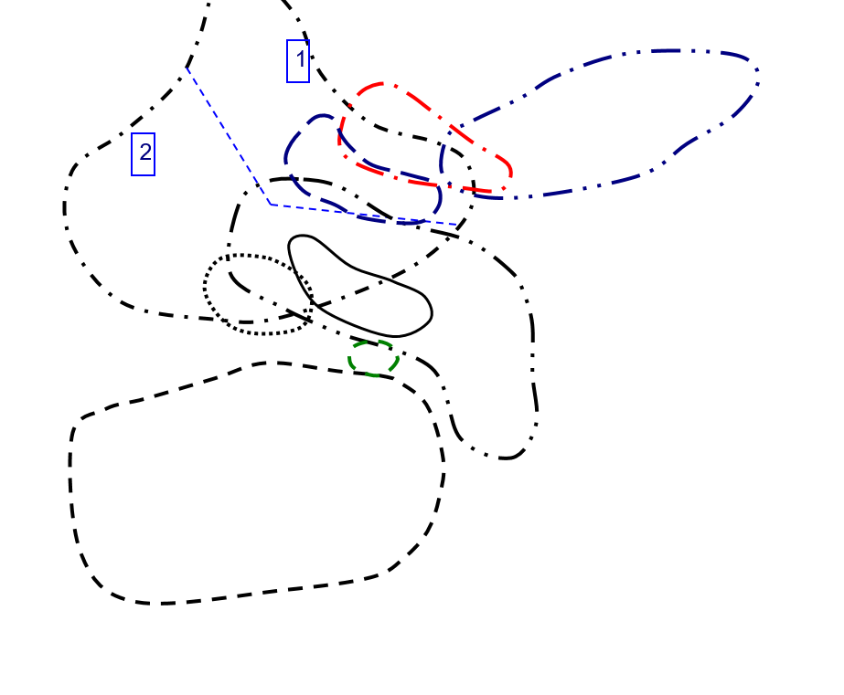
Y vs Ce/Ce in Zircon
 | Carbonite |  | Granitoid (70-75% SiO2) |  | Granitoid (>65% SiO2) |  | Granitoid(>75% SiO2) |  | Syenite/Monzonite
25.024903154 | 713.73 | 31.494692883 | 2075.45 | 17.237066515 | 727.47 | 4.0725014178 | 20403.98 | 17.107573278 | 4600.38
218.09045226 | 229.72 | 325.95505618 | 2638.44 | 30.386533666 | 1582.09 | 197.61316872 | 4545.83 | 42.076095947 | 4546.51
66.253869969 | 892.81 | 78.085916259 | 2087.41 | 29.747675963 | 1224.86 | 10.427253371 | 5596.03 | 269.21135647 | 4697.07
 |  | 11.782430587 | 3486.13 | 111.03448276 | 594.71 | 82.261904762 | 7372.5 | 5.5434398368 | 5724.08
 |  | 31.710618436 | 2578.05 | 3.6499627884 | 1077.37
 |  | 85.402097902 | 1582.9 | 311.67048055 | 868.03
 |  | 156.52520422 | 2118.13 | 8.9187306502 | 717.22
 |  | 153.28366762 | 3841.02 | 26.285930408 | 1669.06
 |  | 133.23076923 | 1667.49 | 156.86556434 | 788.4
 |  | 229.63235294 | 2539.75 | 153.59553177 | 1386.85
 |  | 38.641358641 | 1560.77 | 22.03207331 | 847.86
 |  | 29.349025377 | 2185.1 | 107.08050436 | 865.37
 |  | 287.5699888 | 3056.08 | 450.47169811 | 591.91
 |  | 83.599033816 | 2856.4 | 172.63361236 | 1501.58
 |  | 22.243169399 | 2068.5 | 284.93297587 | 2317.91
 |  | 305.69574621 | 2000.35 | 75.711340206 | 1490.48
 |  | 180.38403614 | 2472.33 | 70.24822695 | 1394.09
 |  | 41.750186986 | 2718.92 | 27.701056052 | 1460.3
 |  | 10.857923497 | 2369.58 | 1241.0471204 | 900.98
 |  | 69.63103122 | 1681.19 | 103.06366683 | 1088.44
 |  | 65.425531915 | 1584.14
 |  | 91.306173877 | 3297.31
 |  | 279.67269595 | 2214.34
 |  | 4.9802350427 | 2573.83
 |  | 108.4137931 | 3715.1
 |  | 183.93421885 | 2081.71
 |  | 56.652092442 | 3093.97
 |  | 14.224137931 | 2664.79
 |  | 9.2076875387 | 2746.28
 |  | 11.097969991 | 1995.81
 |  | 25.458612975 | 1874.39
 |  | 216.87014428 | 1605.48
 |  | 817.74193548 | 961.26
 |  | 11.913119789 | 1803.12
 |  | 13.167736534 | 2922.26
 |  | 8.3283378747 | 3582.44
 |  | 182.44531688 | 1718.8
 |  | 6.4971659919 | 2221.39
 |  | 52.931726908 | 1333.86
 |  | 14.307100951 | 3228.13
 |  | 6.6596858639 | 2554.96

Y-EuEu data Plot
Y vs Eu/Eu in Zircon
 | Carbonite |  | Granitoid (70-75% SiO2) |  | Granitoid (>65% SiO2) |  | Granitoid(>75% SiO2) |  | Syenite/Monzonite
0.30122591944 | 713.73 | 0.0090486257928 | 2075.45 | 0.11942201445 | 727.47 | 0.47588978186 | 20403.98 | 0.062993245645 | 4600.38
0.09505541347 | 229.72 | 0.042002853807 | 2638.44 | 0.13189600507 | 1582.09 | 0.052220923437 | 4545.83 | 0.12254435309 | 4546.51
0.011998378597 | 892.81 | 0.10292819896 | 2087.41 | 0.052267239066 | 1224.86 | 0.063382415318 | 5596.03 | 0.043699731903 | 4697.07
 |  | 0.20522046422 | 3486.13 | 0.043196160341 | 594.71 | 0.0047291530699 | 7372.5 | 0.052905267918 | 5724.08
 |  | 0.18557692308 | 2578.05 | 0.16618075802 | 1077.37
 |  | 0.057411133467 | 1582.9 | 0.078395762391 | 868.03
 |  | 0.069753878456 | 2118.13 | 0.10754558205 | 717.22
 |  | 0.060520876395 | 3841.02 | 0.082360809229 | 1669.06
 |  | 0.080229007634 | 1667.49 | 0.045505269684 | 788.4
 |  | 0.14193168433 | 2539.75 | 0.06925684485 | 1386.85
 |  | 0.075241157556 | 1560.77 | 0.19194061506 | 847.86
 |  | 0.060131578947 | 2185.1 | 0.028866799205 | 865.37
 |  | 0.008340759223 | 3056.08 | 0.053626373626 | 591.91
 |  | 0.076900412493 | 2856.4 | 0.056247259974 | 1501.58
 |  | 0.13867212486 | 2068.5 | 0.16006183249 | 2317.91
 |  | 0.06096187175 | 2000.35 | 0.033186619718 | 1490.48
 |  | 0.089234312032 | 2472.33 | 0.014251639833 | 1394.09
 |  | 0.049398099261 | 2718.92 | 0.15186707165 | 1460.3
 |  | 0.048447204969 | 2369.58 | 0.042735896156 | 900.98
 |  | 0.062393998695 | 1681.19 | 0.14095034704 | 1088.44
 |  | 0.056674632981 | 1584.14
 |  | 0.021395553599 | 3297.31
 |  | 0.060204081633 | 2214.34
 |  | 0.018064648118 | 2573.83
 |  | 0.10281002861 | 3715.1
 |  | 0.074594009383 | 2081.71
 |  | 0.084361678259 | 3093.97
 |  | 0.058771588105 | 2664.79
 |  | 0.065979381443 | 2746.28
 |  | 0.17640398551 | 1995.81
 |  | 0.040602655771 | 1874.39
 |  | 0.14204807376 | 1605.48
 |  | 0.07121332276 | 961.26
 |  | 0.016671091054 | 1803.12
 |  | 0.040658955485 | 2922.26
 |  | 0.043517844137 | 3582.44
 |  | 0.077892325315 | 1718.8
 |  | 0.12540064103 | 2221.39
 |  | 0.12521891419 | 1333.86
 |  | 0.051877748957 | 3228.13
 |  | 0.085906993255 | 2554.96

Hf-Y data Plot
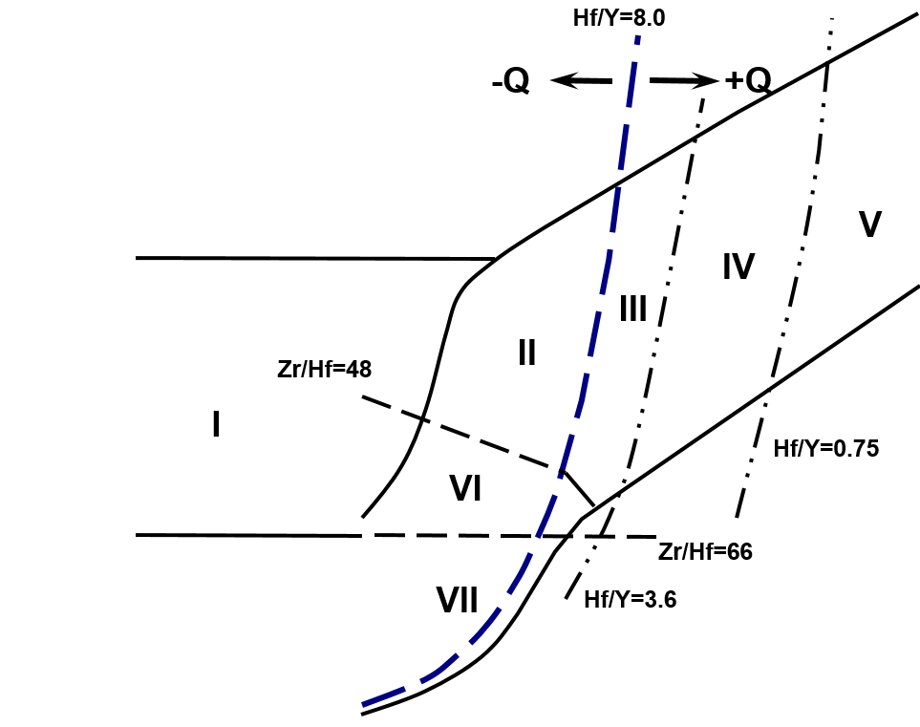
Hf vs Y in Zircon
 | Carbonite |  | Granitoid (70-75% SiO2) |  | Granitoid (>65% SiO2) |  | Granitoid(>75% SiO2) |  | Syenite/Monzonite
713.73 | 1.541132 | 2075.45 | 2.055654 | 727.47 | 1.736713 | 20403.98 | 1.866619 | 4600.38 | 1.294073
229.72 | 1.746806 | 2638.44 | 1.932908 | 1582.09 | 1.71653 | 4545.83 | 1.568696 | 4546.51 | 1.649916
892.81 | 2.523835 | 2087.41 | 1.704635 | 1224.86 | 1.546783 | 5596.03 | 1.643136 | 4697.07 | 1.839904
 |  | 3486.13 | 2.110422 | 594.71 | 1.84995 | 7372.5 | 1.88489 | 5724.08 | 1.920305
 |  | 2578.05 | 1.790961 | 1077.37 | 1.560968
 |  | 1582.9 | 1.671323 | 868.03 | 1.603395
 |  | 2118.13 | 1.690649 | 717.22 | 1.788359
 |  | 3841.02 | 1.538271 | 1669.06 | 1.559379
 |  | 1667.49 | 1.937439 | 788.4 | 2.045976
 |  | 2539.75 | 1.666345 | 1386.85 | 1.72663
 |  | 1560.77 | 1.749517 | 847.86 | 2.030316
 |  | 2185.1 | 1.573718 | 865.37 | 1.775864
 |  | 3056.08 | 2.364019 | 591.91 | 1.982471
 |  | 2856.4 | 1.794162 | 1501.58 | 1.781339
 |  | 2068.5 | 1.637907 | 2317.91 | 1.863142
 |  | 2000.35 | 1.818474 | 1490.48 | 1.624637
 |  | 2472.33 | 1.694448 | 1394.09 | 1.930304
 |  | 2718.92 | 1.691538 | 1460.3 | 1.370769
 |  | 2369.58 | 2.285647 | 900.98 | 2.147391
 |  | 1681.19 | 1.408348 | 1088.44 | 1.532156
 |  | 1584.14 | 2.018317
 |  | 3297.31 | 1.811099
 |  | 2214.34 | 1.447461
 |  | 2573.83 | 1.530813
 |  | 3715.1 | 1.661929
 |  | 2081.71 | 1.606096
 |  | 3093.97 | 1.596341
 |  | 2664.79 | 1.88269
 |  | 2746.28 | 1.826658
 |  | 1995.81 | 1.39103
 |  | 1874.39 | 2.026463
 |  | 1605.48 | 1.803424
 |  | 961.26 | 2.043075
 |  | 1803.12 | 2.056821
 |  | 2922.26 | 1.720611
 |  | 3582.44 | 1.381127
 |  | 1718.8 | 1.367377
 |  | 2221.39 | 1.529941
 |  | 1333.86 | 1.822969
 |  | 3228.13 | 1.588285
 |  | 2554.96 | 1.987354

Nb-Ta data Plot
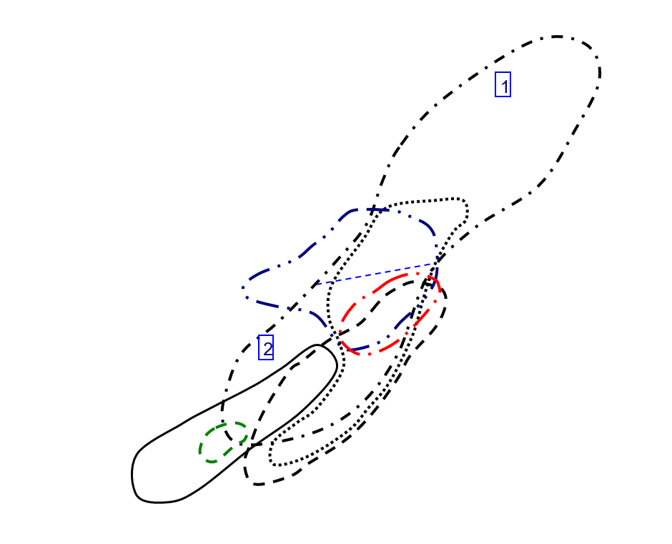
Nb vs Ta in Zircon
 | Carbonite |  | Granitoid (70-75% SiO2) |  | Granitoid (>65% SiO2) |  | Granitoid(>75% SiO2) |  | Syenite/Monzonite
23.73 | 33.16 | 0.79 | 2.271 | 1.176 | 4.13 | 3.61 | 13.25 | 1.976 | 8.48
0.622 | 1.379 | 2.43 | 9.21 | 1.498 | 4.88 | 2.47 | 15.48 | 2.91 | 25.69
1.052 | 1.888 | 0.537 | 1.553 | 0.881 | 2.531 | 3.45 | 14.84 | 6.69 | 18.93
 |  | 3.55 | 22.37 | 2.87 | 5.61 | 6.55 | 36.41 | 1.835 | 7.82
 |  | 2.75 | 7.7 | 1.053 | 2.85
 |  | 2.142 | 5.47 | 0.776 | 2.332
 |  | 0.946 | 2.98 | 1.096 | 3.62
 |  | 3.4 | 9.94 | 0.544 | 1.693
 |  | 1.742 | 5.97 | 0.783 | 2.269
 |  | 1.307 | 5.25 | 1.196 | 3.21
 |  | 0.645 | 2.039 | 2.106 | 5.78
 |  | 0.778 | 2.349 | 1.558 | 5.47
 |  | 16.17 | 35.78 | 1.173 | 2.22
 |  | 1.214 | 3.59 | 1.427 | 3.28
 |  | 1.315 | 4.13 | 1.712 | 5.34
 |  | 0.639 | 2.027 | 0.993 | 3.09
 |  | 1.125 | 3.5 | 3.69 | 10.56
 |  | 0.876 | 3.31 | 0.458 | 1.296
 |  | 4.07 | 19.78 | 2.41 | 6.16
 |  | 0.876 | 2.386 | 0.699 | 1.932
 |  | 1.626 | 4.44
 |  | 2.37 | 5.55
 |  | 0.909 | 2.67
 |  | 2.53 | 7.48
 |  | 3.87 | 21.45
 |  | 1.679 | 4.16
 |  | 0.602 | 1.916
 |  | 1.003 | 3.44
 |  | 0.549 | 1.468
 |  | 0.643 | 2.391
 |  | 1.342 | 4.03
 |  | 1.383 | 3.72
 |  | 2.76 | 8.85
 |  | 7.73 | 23.21
 |  | 2.12 | 8.75
 |  | 1.436 | 5.95
 |  | 0.335 | 1.294
 |  | 1.652 | 10.01
 |  | 0.569 | 1.44
 |  | 1.496 | 4.97
 |  | 0.621 | 2.173

U-Th data Plot
U vs Th in Zircon
 | Carbonite |  | Granitoid (70-75% SiO2) |  | Granitoid (>65% SiO2) |  | Granitoid(>75% SiO2) |  | Syenite/Monzonite
1105.96 | 564.26 | 218.74 | 240.73 | 170.08 | 994.2 | 1514.88 | 1876.66 | 166.27 | 297.39
95.41 | 255.02 | 474.32 | 152.72 | 171.22 | 98.74 | 1214.2 | 1256.3 | 506.24 | 334.79
123.1 | 1189.07 | 100.25 | 105.08 | 60.56 | 100.66 | 653.16 | 1170.22 | 620.34 | 474.13
 |  | 946.9 | 397.87 | 84.18 | 939.81 | 1054.09 | 1270.65 | 410.37 | 503.53
 |  | 270.91 | 668.14 | 250.8 | 532.78
 |  | 262.3 | 346.19 | 126.82 | 162.01
 |  | 201.22 | 123.29 | 553.05 | 503.98
 |  | 227.24 | 181.57 | 59.65 | 91.3
 |  | 263.63 | 326.56 | 220.82 | 368.4
 |  | 286.45 | 386.1 | 191.03 | 240.99
 |  | 250.69 | 238.45 | 331.68 | 921.16
 |  | 96.44 | 139.9 | 53.28 | 68.09
 |  | 634.27 | 812.74 | 122.1 | 221.63
 |  | 122.49 | 194.74 | 296.41 | 583.08
 |  | 411.34 | 343.17 | 285.91 | 434.57
 |  | 86.96 | 146.44 | 314.21 | 276.18
 |  | 488.14 | 410.96 | 156.68 | 341.95
 |  | 334.57 | 339.73 | 95.8 | 99.21
 |  | 779.54 | 851.58 | 274.35 | 331.02
 |  | 106.03 | 143.71 | 90.91 | 82.22
 |  | 134.94 | 251.76
 |  | 613.15 | 1311.15
 |  | 140.24 | 140.8
 |  | 400.76 | 604.31
 |  | 933.26 | 972.25
 |  | 317.98 | 348.95
 |  | 242.1 | 205.65
 |  | 236.81 | 352.41
 |  | 193.04 | 209.99
 |  | 275.13 | 280.69
 |  | 199.1 | 733.01
 |  | 94.04 | 220.52
 |  | 138.4 | 244.65
 |  | 339.28 | 604.38
 |  | 172.4 | 270.14
 |  | 91.52 | 172.19
 |  | 90.33 | 76.71
 |  | 237.17 | 293.35
 |  | 49.6 | 33.41
 |  | 430.8 | 608.27
 |  | 178.24 | 174.95

CeCe-EuEu data Plot
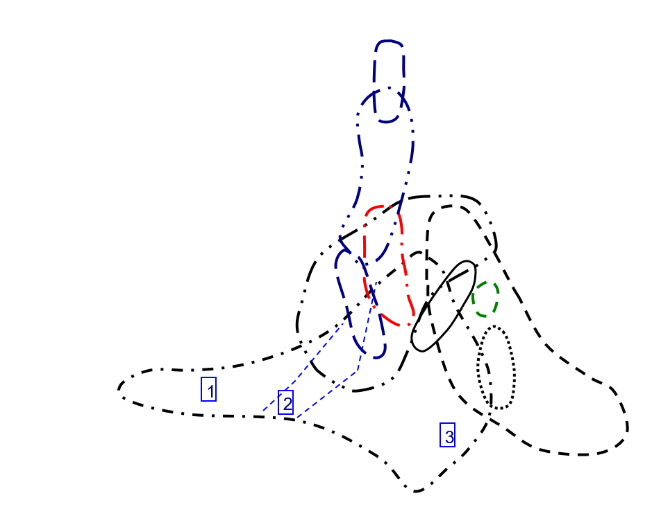
Ce/Ce vs Eu/Eu in Zircon
 | Carbonite |  | Granitoid (70-75% SiO2) |  | Granitoid (>65% SiO2) |  | Granitoid(>75% SiO2) |  | Syenite/Monzonite
0.30122591944 | 25.024903154 | 0.0090486257928 | 31.494692883 | 0.11942201445 | 17.237066515 | 0.47588978186 | 4.0725014178 | 0.062993245645 | 17.107573278
0.09505541347 | 218.09045226 | 0.042002853807 | 325.95505618 | 0.13189600507 | 30.386533666 | 0.052220923437 | 197.61316872 | 0.12254435309 | 42.076095947
0.011998378597 | 66.253869969 | 0.10292819896 | 78.085916259 | 0.052267239066 | 29.747675963 | 0.063382415318 | 10.427253371 | 0.043699731903 | 269.21135647
 |  | 0.20522046422 | 11.782430587 | 0.043196160341 | 111.03448276 | 0.0047291530699 | 82.261904762 | 0.052905267918 | 5.5434398368
 |  | 0.18557692308 | 31.710618436 | 0.16618075802 | 3.6499627884
 |  | 0.057411133467 | 85.402097902 | 0.078395762391 | 311.67048055
 |  | 0.069753878456 | 156.52520422 | 0.10754558205 | 8.9187306502
 |  | 0.060520876395 | 153.28366762 | 0.082360809229 | 26.285930408
 |  | 0.080229007634 | 133.23076923 | 0.045505269684 | 156.86556434
 |  | 0.14193168433 | 229.63235294 | 0.06925684485 | 153.59553177
 |  | 0.075241157556 | 38.641358641 | 0.19194061506 | 22.03207331
 |  | 0.060131578947 | 29.349025377 | 0.028866799205 | 107.08050436
 |  | 0.008340759223 | 287.5699888 | 0.053626373626 | 450.47169811
 |  | 0.076900412493 | 83.599033816 | 0.056247259974 | 172.63361236
 |  | 0.13867212486 | 22.243169399 | 0.16006183249 | 284.93297587
 |  | 0.06096187175 | 305.69574621 | 0.033186619718 | 75.711340206
 |  | 0.089234312032 | 180.38403614 | 0.014251639833 | 70.24822695
 |  | 0.049398099261 | 41.750186986 | 0.15186707165 | 27.701056052
 |  | 0.048447204969 | 10.857923497 | 0.042735896156 | 1241.0471204
 |  | 0.062393998695 | 69.63103122 | 0.14095034704 | 103.06366683
 |  | 0.056674632981 | 65.425531915
 |  | 0.021395553599 | 91.306173877
 |  | 0.060204081633 | 279.67269595
 |  | 0.018064648118 | 4.9802350427
 |  | 0.10281002861 | 108.4137931
 |  | 0.074594009383 | 183.93421885
 |  | 0.084361678259 | 56.652092442
 |  | 0.058771588105 | 14.224137931
 |  | 0.065979381443 | 9.2076875387
 |  | 0.17640398551 | 11.097969991
 |  | 0.040602655771 | 25.458612975
 |  | 0.14204807376 | 216.87014428
 |  | 0.07121332276 | 817.74193548
 |  | 0.016671091054 | 11.913119789
 |  | 0.040658955485 | 13.167736534
 |  | 0.043517844137 | 8.3283378747
 |  | 0.077892325315 | 182.44531688
 |  | 0.12540064103 | 6.4971659919
 |  | 0.12521891419 | 52.931726908
 |  | 0.051877748957 | 14.307100951
 |  | 0.085906993255 | 6.6596858639

TrElem Chart
Trace Element Patterns of Zircons
 | MIR1-01 | MIR1-06 | MIR1-11 | MIR1-12 | MIR1-14 | MIR1-17 | MIR1-19 | MIR1-20 | MIR1-26 | MIR1-29 | MIR1-35 | MIR1-36
La | 1035.1898734 | 3762.2362869 | 56792.489451 | 2075.1898734 | 1994.6413502 | 1301.9831224 | 12316.160338 | 3049.5780591 | 1513.5021097 | 1769.535865 | 2047.8481013 | 815.02109705
Ce | 7957.406199 | 7906.2805873 | 9431.5497553 | 7850.2773246 | 7740.1631321 | 7781.6965742 | 8872.5448613 | 7756.3295269 | 7765.1223491 | 7688.548124 | 7767.5530179 | 7724.8776509
Pr | 7839.1163793 | 22364.762931 | 219870.47414 | 17048.383621 | 28431.465517 | 22493.642241 | 37566.056034 | 27780.711207 | 13198.922414 | 17057.112069 | 22824.676724 | 6408.512931
Nd | 9.0371991247 | 4.9693654267 | 28.993435449 | 10.67833698 | 20.153172867 | 3.398249453 | 48.949671772 | 16.849015317 | 5.5382932166 | 11.969365427 | 6.5207877462 | 12.27571116
Sm | 5.7094594595 | 0.33581081081 | 5388.5135135 | 12.756756757 | 1.8716216216 | 0.91689189189 | 477.02702703 | 21.554054054 | 0.9222972973 | 4.7094594595 | 0.24932432432 | 0.43581081081
Eu | 269.27175844 | 160.74600355 | 39539.431616 | 865.71936057 | 2061.1012433 | 382.59325044 | 18391.474245 | 2413.4991119 | 99.46714032 | 867.6731794 | 697.69094139 | 171.58081705
Gd | 4.5929648241 | 2.6381909548 | 1486.0301508 | 6.6331658291 | 2.1859296482 | 2.0904522613 | 528.44221106 | 27.035175879 | 1.2060301508 | 2.2462311558 | 2.3366834171 | 0.55025125628
Th | 214.28571429 | 312.24489796 | 49920.748299 | 416.32653061 | 213.60544218 | 190.13605442 | 20972.789116 | 1313.6054422 | 121.08843537 | 180.6122449 | 307.82312925 | 42.517006803
Dy | 36.016260163 | 73.821138211 | 3367.1544715 | 54.512195122 | 47.886178862 | 33.902439024 | 1293.9837398 | 137.68292683 | 24.674796748 | 32.43902439 | 68.130081301 | 7.6056910569
Y | 1.7898089172 | 0.27261146497 | 359.05732484 | 2.6496815287 | 1.0312101911 | 1.6343949045 | 40.687898089 | 7.3757961783 | 0.62038216561 | 0.8178343949 | 1.9044585987 | 0.15477707006
Ho | 699.63369963 | 1400 | 28219.78022 | 909.70695971 | 1196.1538462 | 760.43956044 | 5571.978022 | 1665.3846154 | 571.42857143 | 673.07692308 | 1263.1868132 | 171.79487179
Er | 540.75 | 1410.5 | 20235.4375 | 1003.375 | 1552 | 1082.5 | 3275.4375 | 1814.8125 | 735.9375 | 863.4375 | 1365 | 302.0625
U | 3131.0810811 | 9775.6756757 | 96882.432432 | 7247.2972973 | 12043.243243 | 9283.7837838 | 18174.324324 | 11467.567568 | 5774.3243243 | 6940.5405405 | 10085.135135 | 2714.8648649
Yb | 504.72049689 | 1790.2484472 | 14570.807453 | 1381.3043478 | 2402.7329193 | 2036.9565217 | 3733.0434783 | 2070.1242236 | 1159.5652174 | 1487.6397516 | 1862.6086957 | 610.74534161
Lu | 5028.8617886 | 20734.146341 | 150639.8374 | 16570.731707 | 28553.658537 | 29043.902439 | 74314.634146 | 25015.853659 | 14858.130081 | 21936.585366 | 23268.292683 | 10928.04878
Hf | 203.68932039 | 794.0776699 | 4313.6893204 | 661.84466019 | 1156.407767 | 1300.3883495 | 2240.8737864 | 920.87378641 | 637.37864078 | 983.30097087 | 918.73786408 | 499.80582524
Nb | 72363.041667 | 85652.25 | 77775.791667 | 71522.083333 | 80537.833333 | 71026.458333 | 87934.25 | 74623.375 | 64449.291667 | 69638.458333 | 70443.708333 | 77081.25
Ta | 86.470588235 | 58.088235294 | 265.44117647 | 110.14705882 | 178.67647059 | 39.485294118 | 261.02941176 | 202.20588235 | 64.779411765 | 157.5 | 69.558823529 | 211.02941176
Ti | 0.38654545455 | 0.49713636364 | 3.4429090909 | 0.38913636364 | 1.078 | 0.22784090909 | 2.1520454545 | 0.61570454545 | 0.13763636364 | 0.59613636364 | 0.45731818182 | 0.19131818182
P | 0.92055555556 | 0.22289814815 | 1.7376481481 | 0.091425925926 | 0.14140740741 | 0.097296296296 | 0.36839814815 | 0.61864814815 | 0.093203703704 | 0.3205462963 | 0.11415740741 | 0.87019444444

REE Chart
Trace Element Patterns of Zircons
 | MIR1-01 | MIR1-06 | MIR1-11 | MIR1-12 | MIR1-14 | MIR1-17 | MIR1-19 | MIR1-20 | MIR1-26 | MIR1-29 | MIR1-35 | MIR1-36
La | 3.5654008439 | 0.20970464135 | 3364.978903 | 7.9662447257 | 1.1687763713 | 0.57257383966 | 297.89029536 | 13.459915612 | 0.57594936709 | 2.94092827 | 0.15569620253 | 0.27215189873
Ce | 24.730831974 | 14.763458401 | 3631.4355628 | 79.510603589 | 189.29853181 | 35.138662316 | 1689.1353997 | 221.6639478 | 9.1353996737 | 79.69004894 | 64.078303426 | 15.758564437
Pr | 9.849137931 | 5.6573275862 | 3186.637931 | 14.224137931 | 4.6875 | 4.4827586207 | 1133.1896552 | 57.974137931 | 2.5862068966 | 4.8168103448 | 5.0107758621 | 1.1799568966
Nd | 13.785557987 | 20.087527352 | 3211.5317287 | 26.783369803 | 13.741794311 | 12.231947484 | 1349.2341357 | 84.507658643 | 7.7899343545 | 11.619256018 | 19.803063457 | 2.7352297593
Sm | 59.864864865 | 122.7027027 | 5596.7567568 | 90.608108108 | 79.594594595 | 56.351351351 | 2150.8108108 | 228.85135135 | 41.013513514 | 53.918918919 | 113.24324324 | 12.641891892
Eu | 49.911190053 | 7.6021314387 | 10012.788632 | 73.889875666 | 28.756660746 | 45.577264654 | 1134.6358792 | 205.68383659 | 17.30017762 | 22.806394316 | 53.108348135 | 4.3161634103
Gd | 191.95979899 | 384.12060302 | 7742.7135678 | 249.59798995 | 328.19095477 | 208.64321608 | 1528.7939698 | 456.93467337 | 156.7839196 | 184.67336683 | 346.58291457 | 47.135678392
Tb | 274.23822715 | 586.98060942 | 10670.914127 | 395.01385042 | 571.74515235 | 375.34626039 | 1737.9501385 | 766.20498615 | 268.42105263 | 315.78947368 | 582.82548476 | 101.10803324
Dy | 351.70731707 | 917.39837398 | 13161.260163 | 652.60162602 | 1009.4308943 | 704.06504065 | 2130.3658537 | 1180.3658537 | 478.65853659 | 561.58536585 | 887.80487805 | 196.46341463
Ho | 424.35897436 | 1324.9084249 | 13130.586081 | 982.23443223 | 1632.2344322 | 1258.2417582 | 2463.1868132 | 1554.2124542 | 782.6007326 | 940.65934066 | 1366.8498168 | 367.94871795
Er | 507.875 | 1801.4375 | 14661.875 | 1389.9375 | 2417.75 | 2049.6875 | 3756.375 | 2083.0625 | 1166.8125 | 1496.9375 | 1874.25 | 614.5625
Tm | 600.8097166 | 2339.2712551 | 17880.97166 | 1853.4412955 | 3242.5101215 | 2989.0688259 | 6929.5546559 | 2814.9797571 | 1597.9757085 | 2210.5263158 | 2510.1214575 | 980.97165992
Yb | 768.38509317 | 3168.0745342 | 23017.018634 | 2531.9254658 | 4362.8571429 | 4437.7639752 | 11354.906832 | 3822.2981366 | 2270.2484472 | 3351.8012422 | 3555.2795031 | 1669.7515528
Lu | 852.84552846 | 3324.796748 | 18061.382114 | 2771.1382114 | 4841.8699187 | 5444.7154472 | 9382.5203252 | 3855.6910569 | 2668.699187 | 4117.0731707 | 3846.7479675 | 2092.6829268

